Main
Conditional Formatting button on Home ribbon

Conditional Formatting options | Higlight Cell Rules options |  |  | Top/Bottom Rules options
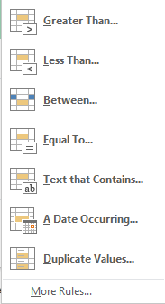
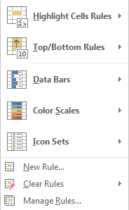
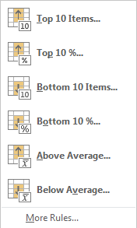

New Formatting Rule dialog box |  |  | Manage Rules dialog box

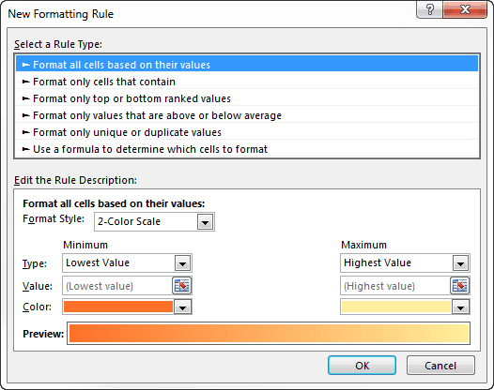
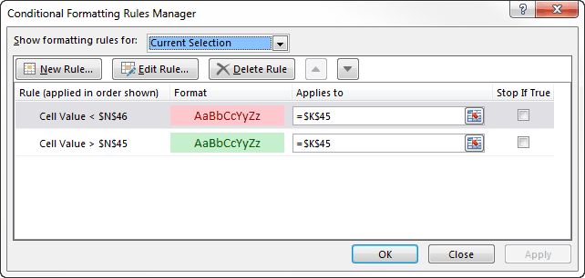

Formula based Rules
 |  | The formula must be a logical formula that returns either TRUE or FALSE. If the formula evaluates to TRUE, the condition is satisfied, and the conditional formatting is applied. If the formula evaluates to FALSE, the conditional formatting is not applied.

